Impr Forest Mgmt
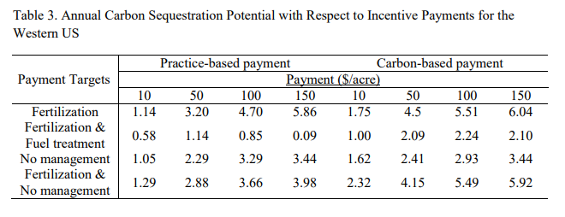

Carbon-based payment
 | 10 | 50 | 100 | 150
Fertilization | 1.75 | 4.5 | 5.51 | 6
Fertilization & Fuel treatment | 1 | 2.09 | 2.24 | 2.1
No management | 1.62 | 2.41 | 2.93 | 3.44
Fertilization & no management | 2.32 | 4.15 | 5.49 | 5.92

Potential Within Each Tier
 | 10 | 50 | 100 | 150
Fertilization | 1.75 | 2.75 | 1.01 | 0.49
Fertilization & Fuel treatment | 1 | 1.09 | 0.15 | -0.14
No management | 1.62 | 0.79 | 0.52 | 0.51
Fertilization & no management | 2.32 | 1.83 | 1.34 | 0.43

Weighted Average, Fertilization | 54.916666667
Weighted Average, Fertilization & Fuel treatment | 27.857142857
Weighted Average, Fertilization No management | 53.546511628
Weighted Average, Fertilization & no management | 52.905405405

All Methods, Weighted Average by Potential | 50.710194731

